Table
 | Before

 | From 2015 to 2025, the percentage of high school students who ate breakfast daily decreased, while the percentages who ate fruit daily and ate vegetables daily did not change. During the same period, the percentages of high school students who drank plain water at least three times per day, did not drink soda, and did not drink sports drinks increased; from 2023 to 2025, the percentages who ate fruit daily, ate vegetables daily, and drank plain water at least three times per day also increased .

 | The Percentage of High School Students Who:[1][2] | 2015 | 2017 | 2019 | 2021 | 2023 | 2025 | 10 Year Trend (2015-2025) | 2-Year Change (2023–2025)
 | Ate fruit daily |  |  |  |  |  |  | No change | Increase
 | Ate vegetables daily |  |  |  |  |  |  | No change | Increase
 | Ate breakfast daily |  |  |  |  |  |  | Decrease | No change
 | Drank plain water |  |  |  |  |  |  | Increase | Increase
 | at least 3 times per day‡
 | Did not drink soda |  |  |  |  |  |  | Increase | No change
 | Did not drink sports drinks |  |  |  |  |  |  | Increase | No change

 | With Pretend Data

 | From 2015 to 2025, the percentage of high school students who ate breakfast daily decreased, while the percentages who ate fruit daily and ate vegetables daily did not change. During the same period, the percentages of high school students who drank plain water at least three times per day, did not drink soda, and did not drink sports drinks increased; from 2023 to 2025, the percentages who ate fruit daily, ate vegetables daily, and drank plain water at least three times per day also increased .

 | The Percentage of High School Students Who:[1][2] | 2015 | 2017 | 2019 | 2021 | 2023 | 2025 | 10 Year Trend (2015-2025) | 2-Year Change (2023–2025)
 | Ate fruit daily | 38% | 28% | 38% | 24% | 20% | 47% | No change | Increase
 | Ate vegetables daily | 45% | 36% | 35% | 23% | 23% | 24% | No change | Increase
 | Ate breakfast daily | 45% | 22% | 21% | 50% | 46% | 39% | Decrease | No change
 | Drank plain water at least 3 times per day | 32% | 46% | 29% | 43% | 32% | 43% | Increase | Increase
 | Did not drink soda | 28% | 38% | 37% | 20% | 29% | 31% | Increase | No change
 | Did not drink sports drinks | 31% | 20% | 46% | 38% | 26% | 27% | Increase | No change

 | Decluttered - removing black borders

 | From 2015 to 2025, the percentage of high school students who ate breakfast daily decreased, while the percentages who ate fruit daily and ate vegetables daily did not change. During the same period, the percentages of high school students who drank plain water at least three times per day, did not drink soda, and did not drink sports drinks increased; from 2023 to 2025, the percentages who ate fruit daily, ate vegetables daily, and drank plain water at least three times per day also increased .

 | The Percentage of High School Students Who:[1][2] | 2015 | 2017 | 2019 | 2021 | 2023 | 2025 | 10 Year Trend (2015-2025) | 2-Year Change (2023–2025)
 | Ate fruit daily | 38% | 28% | 38% | 24% | 20% | 47% | No change | Increase
 | Ate vegetables daily | 45% | 36% | 35% | 23% | 23% | 24% | No change | Increase
 | Ate breakfast daily | 45% | 22% | 21% | 50% | 46% | 39% | Decrease | No change
 | Drank plain water at least 3 times per day | 32% | 46% | 29% | 43% | 32% | 43% | Increase | Increase
 | Did not drink soda | 28% | 38% | 37% | 20% | 29% | 31% | Increase | No change
 | Did not drink sports drinks | 31% | 20% | 46% | 38% | 26% | 27% | Increase | No change

 | Decluttered - removing number redundancy

 | From 2015 to 2025, the percentage of high school students who ate breakfast daily decreased, while the percentages who ate fruit daily and ate vegetables daily did not change. During the same period, the percentages of high school students who drank plain water at least three times per day, did not drink soda, and did not drink sports drinks increased; from 2023 to 2025, the percentages who ate fruit daily, ate vegetables daily, and drank plain water at least three times per day also increased .

 | The Percentage of High School Students Who:[1][2] | 2015 | '17 | '19 | '21 | '23 | '25 | 10-Year Trend (2015-25) | 2-Year Change (2023–25)
 | Ate fruit daily | 38% | 28% | 38% | 24% | 20% | 47% | No change | Increase
 | Ate vegetables daily | 45% | 36% | 35% | 23% | 23% | 24% | No change | Increase
 | Ate breakfast daily | 45% | 22% | 21% | 50% | 46% | 39% | Decrease | No change
 | Drank plain water at least 3 times per day | 32% | 46% | 29% | 43% | 32% | 43% | Increase | Increase
 | Did not drink soda | 28% | 38% | 37% | 20% | 29% | 31% | Increase | No change
 | Did not drink sports drinks | 31% | 20% | 46% | 38% | 26% | 27% | Increase | No change

 | Decluttered - removing colors

 | From 2015 to 2025, the percentage of high school students who ate breakfast daily decreased, while the percentages who ate fruit daily and ate vegetables daily did not change. During the same period, the percentages of high school students who drank plain water at least three times per day, did not drink soda, and did not drink sports drinks increased; from 2023 to 2025, the percentages who ate fruit daily, ate vegetables daily, and drank plain water at least three times per day also increased .

 | The Percentage of High School Students Who:[1][2] | 2015 | '17 | '19 | '21 | '23 | '25 | 10-Year Trend (2015-25) | 2-Year Change (2023–25)
 | Ate fruit daily | 38% | 28% | 38% | 24% | 20% | 47% | No change | Increase
 | Ate vegetables daily | 45% | 36% | 35% | 23% | 23% | 24% | No change | Increase
 | Ate breakfast daily | 45% | 22% | 21% | 50% | 46% | 39% | Decrease | No change
 | Drank plain water at least 3 times per day | 32% | 46% | 29% | 43% | 32% | 43% | Increase | Increase
 | Did not drink soda | 28% | 38% | 37% | 20% | 29% | 31% | Increase | No change
 | Did not drink sports drinks | 31% | 20% | 46% | 38% | 26% | 27% | Increase | No change

 | Text speed-reading

 | From 2015 to 2025, the percentage of high school students who ate breakfast daily decreased, while the percentages who ate fruit daily and ate vegetables daily did not change. During the same period, the percentages of high school students who drank plain water at least three times per day, did not drink soda, and did not drink sports drinks increased; from 2023 to 2025, the percentages who ate fruit daily, ate vegetables daily, and drank plain water at least three times per day also increased .

 | In the last 7 days, high school students who: | 2015 | '17 | '19 | '21 | '23 | '25 | 10-Year Trend (2015-25) | 2-Year Change (2023–25)
 | Ate fruit daily | 38% | 28% | 38% | 24% | 20% | 47% | No change | Increase
 | Ate vegetables daily | 45% | 36% | 35% | 23% | 23% | 24% | No change | Increase
 | Ate breakfast daily | 45% | 22% | 21% | 50% | 46% | 39% | Decrease | No change
 | Drank plain water at least 3 times per day | 32% | 46% | 29% | 43% | 32% | 43% | Increase | Increase
 | Did not drink soda | 28% | 38% | 37% | 20% | 29% | 31% | Increase | No change
 | Did not drink sports drinks | 31% | 20% | 46% | 38% | 26% | 27% | Increase | No change

 | Adding visuals - sparklines

 | From 2015 to 2025, the percentage of high school students who ate breakfast daily decreased, while the percentages who ate fruit daily and ate vegetables daily did not change. During the same period, the percentages of high school students who drank plain water at least three times per day, did not drink soda, and did not drink sports drinks increased; from 2023 to 2025, the percentages who ate fruit daily, ate vegetables daily, and drank plain water at least three times per day also increased .

 | In the last 7 days, high school students who: | 2015 | '17 | '19 | '21 | '23 | '25 | Trend | 10-Year Trend (2015-25) | 2-Year Change (2023–25)
 | Ate fruit daily | 38% | 28% | 38% | 24% | 20% | 47% |  | No change | Increase
 | Ate vegetables daily | 45% | 36% | 35% | 23% | 23% | 24% |  | No change | Increase
 | Ate breakfast daily | 45% | 22% | 21% | 50% | 46% | 39% |  | Decrease | No change
 | Drank plain water at least 3 times per day | 32% | 46% | 29% | 43% | 32% | 43% |  | Increase | Increase
 | Did not drink soda | 28% | 38% | 37% | 20% | 29% | 31% |  | Increase | No change
 | Did not drink sports drinks | 31% | 20% | 46% | 38% | 26% | 27% |  | Increase | No change

 | Adding visuals - icons in 3 different colors

 | From 2015 to 2025, the percentage of high school students who ate breakfast daily decreased, while the percentages who ate fruit daily and ate vegetables daily did not change. During the same period, the percentages of high school students who drank plain water at least three times per day, did not drink soda, and did not drink sports drinks increased; from 2023 to 2025, the percentages who ate fruit daily, ate vegetables daily, and drank plain water at least three times per day also increased .

 |  |  |  |  |  |  |  |  | Improvements
 | In the last 7 days, high school students who: | 2015 | '17 | '19 | '21 | '23 | '25 | Trend | Over 10 Years (2015-25) |  | Over 2 Years (2023–25)
 | Ate fruit daily | 38% | 28% | 38% | 24% | 20% | 47% |  |  | No change |  | Improved
 | Ate vegetables daily | 45% | 36% | 35% | 23% | 23% | 24% |  |  | No change |  | Improved
 | Ate breakfast daily | 45% | 22% | 21% | 50% | 46% | 39% |  |  | Declined |  | No change
 | Drank plain water at least 3 times per day | 32% | 46% | 29% | 43% | 32% | 43% |  |  | Improved |  | Improved
 | Did not drink soda | 28% | 38% | 37% | 20% | 29% | 31% |  |  | Improved |  | No change
 | Did not drink sports drinks | 31% | 20% | 46% | 38% | 26% | 27% |  |  | Improved |  | No change

 | Adding visuals - icons in just 1 color

 | From 2015 to 2025, the percentage of high school students who ate breakfast daily decreased, while the percentages who ate fruit daily and ate vegetables daily did not change. During the same period, the percentages of high school students who drank plain water at least three times per day, did not drink soda, and did not drink sports drinks increased; from 2023 to 2025, the percentages who ate fruit daily, ate vegetables daily, and drank plain water at least three times per day also increased .

 |  |  |  |  |  |  |  |  | Improvements
 | In the last 7 days, high school students who: | 2015 | '17 | '19 | '21 | '23 | '25 | Trend | Over 10 Years (2015-25) |  | Over 2 Years (2023–25)
 | Ate fruit daily | 38% | 28% | 38% | 24% | 20% | 47% |  |  | No change |  | Improved
 | Ate vegetables daily | 45% | 36% | 35% | 23% | 23% | 24% |  |  | No change |  | Improved
 | Ate breakfast daily | 45% | 22% | 21% | 50% | 46% | 39% |  |  | Declined |  | No change
 | Drank plain water at least 3 times per day | 32% | 46% | 29% | 43% | 32% | 43% |  |  | Improved |  | Improved
 | Did not drink soda | 28% | 38% | 37% | 20% | 29% | 31% |  |  | Improved |  | No change
 | Did not drink sports drinks | 31% | 20% | 46% | 38% | 26% | 27% |  |  | Improved |  | No change

Adding visuals - icons for fruit, veggies, etc.

From 2015 to 2025, the percentage of high school students who ate breakfast daily decreased, while the percentages who ate fruit daily and ate vegetables daily did not change. During the same period, the percentages of high school students who drank plain water at least three times per day, did not drink soda, and did not drink sports drinks increased; from 2023 to 2025, the percentages who ate fruit daily, ate vegetables daily, and drank plain water at least three times per day also increased .

 |  |  |  |  |  |  |  |  | Improvements
In the last 7 days, high school students who: |  | 2015 | '17 | '19 | '21 | '23 | '25 | Trend | Over 10 Years (2015-25) |  | Over 2 Years (2023–25)
 | Ate fruit daily | 38% | 28% | 38% | 24% | 20% | 47% |  |  | No change |  | Improved
 | Ate vegetables daily | 45% | 36% | 35% | 23% | 23% | 24% |  |  | No change |  | Improved
 | Ate breakfast daily | 45% | 22% | 21% | 50% | 46% | 39% |  |  | Declined |  | No change
 | Drank plain water at least 3x per day | 32% | 46% | 29% | 43% | 32% | 43% |  |  | Improved |  | Improved
 | Did not drink soda | 28% | 38% | 37% | 20% | 29% | 31% |  |  | Improved |  | No change
 | Did not drink sports drinks | 31% | 20% | 46% | 38% | 26% | 27% |  |  | Improved |  | No change

 | Or, small multiples

 | In the last 7 days, high school students who: | 2015 | '17 | '19 | '21 | '23 | '25
 | Ate fruit daily | 38% | 39% | 39% | 40% | 39% | 38%
 | Ate vegetables daily | 55% | 56% | 55% | 57% | 55% | 55%
 | Ate breakfast daily | 58% | 57% | 55% | 55% | 54% | 53%
 | Drank plain water at least 3 times per day | 22% | 24% | 24% | 24% | 24% | 24%
 | Did not drink soda | 11% | 13% | 33% | 34% | 37% | 38%
 | Did not drink sports drinks | 44% | 45% | 47% | 45% | 44% | 50%

 | Before |  |  |  |  |  |  | After

Boys vs Girls
Boys & Girls |  |  |  | Urban & Rural

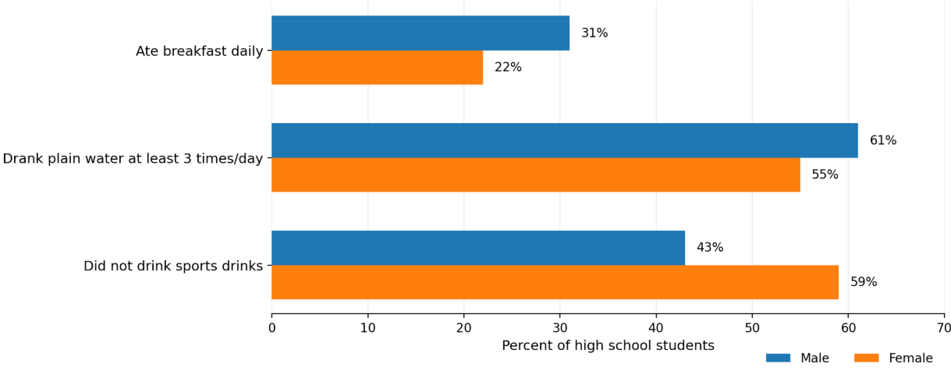
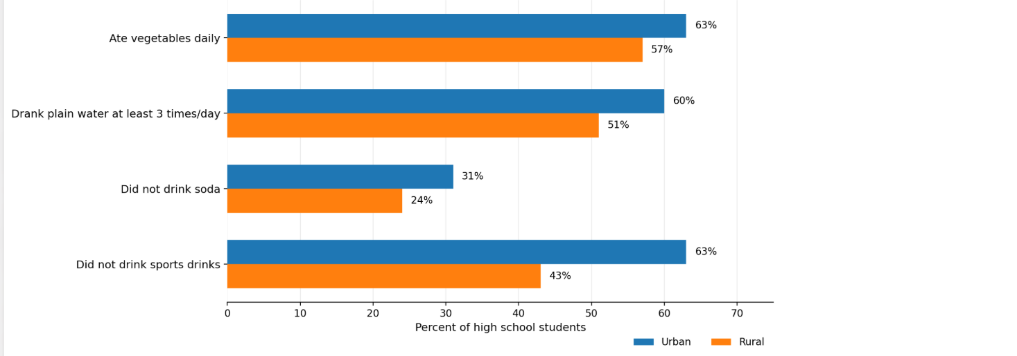

Table |  |  |  | Table

 | Boys | Girls |  |  | Urban | Rural
Ate breakfast | 41% | 32% |  | Ate vegetables daily | 53% | 47%
Drank water | 71% | 65% |  | Drank plain water at least 3x/day | 50% | 41%
Did not drink sports drinks | 33% | 49% |  | Did not drink soda | 41% | 34%
 |  |  |  | Did not drink sports drinks | 73% | 53%

Clustered bars |  |  |  | Clustered bars

 | Boys | Girls |  |  | Urban | Rural
Did not drink sports drinks | 33% | 49% |  | Did not drink sports drinks | 73% | 53%
Drank plain water at least 3x/day | 71% | 65% |  | Did not drink soda | 41% | 34%
Ate breakfast daily | 41% | 32% |  | Drank plain water at least 3x/day | 50% | 41%
 |  |  |  | Ate vegetables daily | 53% | 47%

 |  |  | 43

